T2C STD 20-12-17
AstroNova Product Identification Pricelist
Trojan T2-C Standard |  |  | Purchasing prices for Etisoft distributor's channel
Pricelist validity from: 19.01.2018 until a new pricelist issue
Version: 2.1
Part No. | Description | List price | Discount | Price
T-10000150 | TrojanT2-C - Standard Niagara Inks Starter pack (includes 1 print head and 4 x 500ml ink CMYK) | 23,950.00 € | 19% | 19,519.25 €
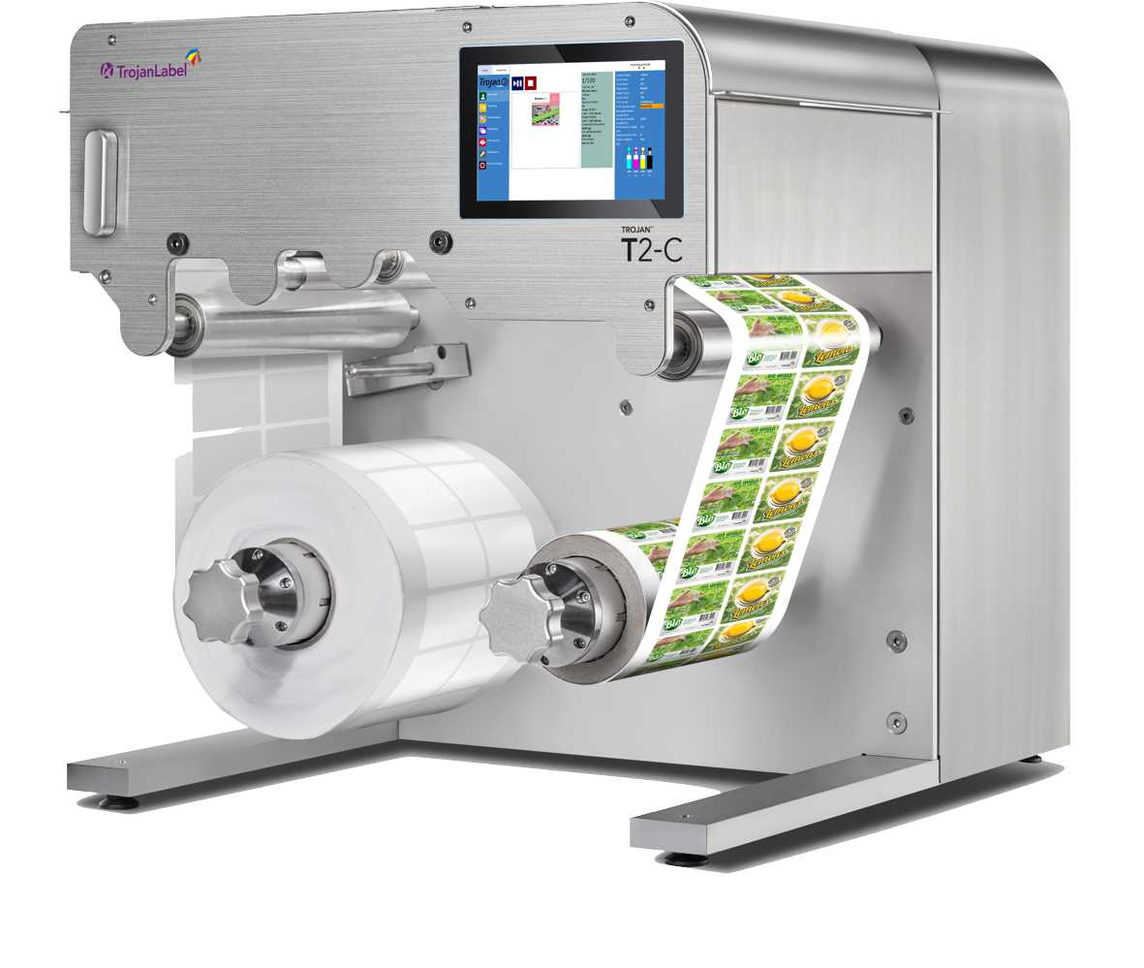
Consumables |  |  |  |  | 0
Part No. | Description | List price | Discount | Price
T-20010006 | Printhead Trojan Niagara LL2X | 495.00 € | 10% | 445.50 €
T-30010031 | 2L Ink Tank Trojan Niagara Cyan | 997.50 € | 15% | 847.88 €
T-30010032 | 2L Ink Tank Trojan Niagara Magenta | 997.50 € | 15% | 847.88 €
T-30010033 | 2L Ink Tank Trojan Niagara Yellow | 997.50 € | 15% | 847.88 €
T-30010034 | 2L Ink Tank Trojan Niagara Black | 997.50 € | 15% | 847.88 €
Options
Part No. | Description | List price | Discount | Price
 | T2C Exit Roller (to be used for integration of the T2C into a die cutting systems) | 1,250.00 € | 10% | 1,125.00 €
Software
Part No. | Description | List price in EUR | Discount | Price
T-40010001 | TrojanRIP | 3,650.00 € | 10% | 3,285.00 €
T-40010002 | TrojanVariegator | 2,150.00 € | 10% | 1,935.00 €
Installation
Part No. | Description | List price | Discount | Price
Inst-T2C | 1 day Installation and Training | 950.00 € | 0% | 950.00 €
Travel-exp | Travelcost will be charged seperately, based on expenses |  | 0% | 0.00 €

T2 VP
AstroNova Product Identification Pricelist
Pricelist validity from: 19.01.2018 until a new pricelist issue |  |  | Purchasing prices for Etisoft distributor's channel
Version: 2.1
TrojanTwo Volume Press
Part No. | Description | List price | Discount | Price
10000110 | TrojanTwo Volume Press, complete with Screen, webcleaner | 50,750.00 € | 10% | 45,675.00 €
10000110-N | TrojanTwoVolume Press, complete with Screen, webcleaner, Niagara Ink | 50,750.00 € | 10% | 45,675.00 €
Ink and print head need to be ordered in addition.
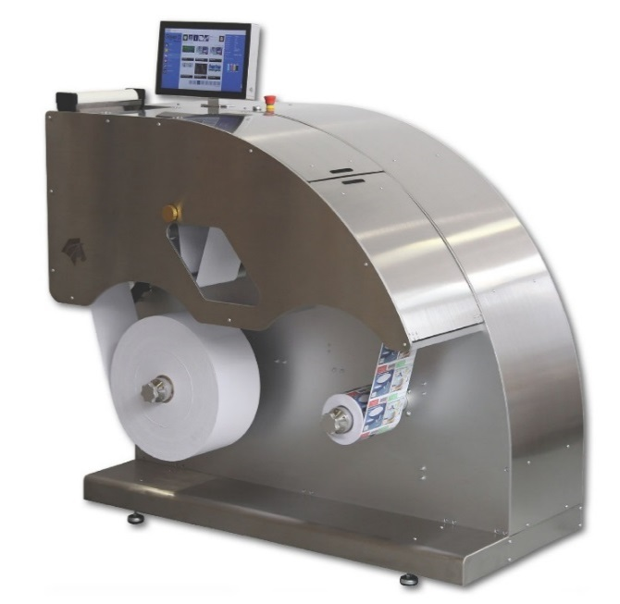
Guthega Consumables
Part No. | Description | List price | Discount | Price
T-20010005 | Printhead Guthega CPG | 393.50 € | 10% | 354.15 €
T-30010020 | 2L Ink Tank Trojan VP Guthega Cyan | 507.00 € | 10% | 456.30 €
T-30010018 | 2L Ink Tank Trojan VP Guthega Magenta | 507.00 € | 10% | 456.30 €
T-30010019 | 2L Ink Tank Trojan VP Guthega Yellow | 507.00 € | 10% | 456.30 €
T-30010021 | 2L Ink Tank Trojan VP Guthega Black | 507.00 € | 10% | 456.30 €
Niagara Consumables
Part No. | Description | List price | Discount | Price
T-20010006 | Printhead Niagara LL2X | 495.00 € | 10% | 445.50 €
T-30010036 | 2L Ink Tank TrojanVP Niagara Cyan | 507.00 € | 10% | 456.30 €
T-30010037 | 2L Ink Tank Trojan VP Niagara Magenta | 507.00 € | 10% | 456.30 €
T-30010038 | 2L Ink Tank Trojan VP Niagara Yellow | 507.00 € | 10% | 456.30 €
T-30010039 | 2L Ink Tank Trojan VP Niagara Black | 507.00 € | 10% | 456.30 €

T-30010015 | TrojanTwo Web Cleaner adhesive tape | 110.50 € | 10% | 99.45 €
Software
Part No. | Description | List price | Discount | Price
T-40010001 | TrojanRIP | 3,650.00 € | 10% | 3,285.00 €
T-40010002 | TrojanVariegator | 2,150.00 € | 10% | 1,935.00 €
Installation
Part No. | Description | List price | Discount | Price
Inst-T2 | 2 day Installation and Training | 1,500.00 € | 0% | 1,500.00 €
Travel-exp | Travelcost will be charged seperately, based on expenses

T3 OP STD 1-11-17
AstroNova Product Identification Pricelist
TrojanThree Printer (STD package) |  |  | Purchasing prices for Etisoft distributor's channel
Pricelist validity from: 19.01.2018 until a new pricelist issue
Version: 2.1
TrojanThree Printers
Part No. | Description | List price | Discount | Price
T-10000201-OP | TrojanThree OP module | 18,750.00 € | 10% | 16,875.00 €
T-10000201-OPN | TrojanThree OP module; Niagara | 18,750.00 € | 10% | 16,875.00 €
Minimum system configuration requires Trojan Three Print module plus Sensor, Sensorholder and Table and one set of ink. Spring Guides and or Roller Guides are optional, but in most applications recommended. Ink and print head need to be ordered in addition.
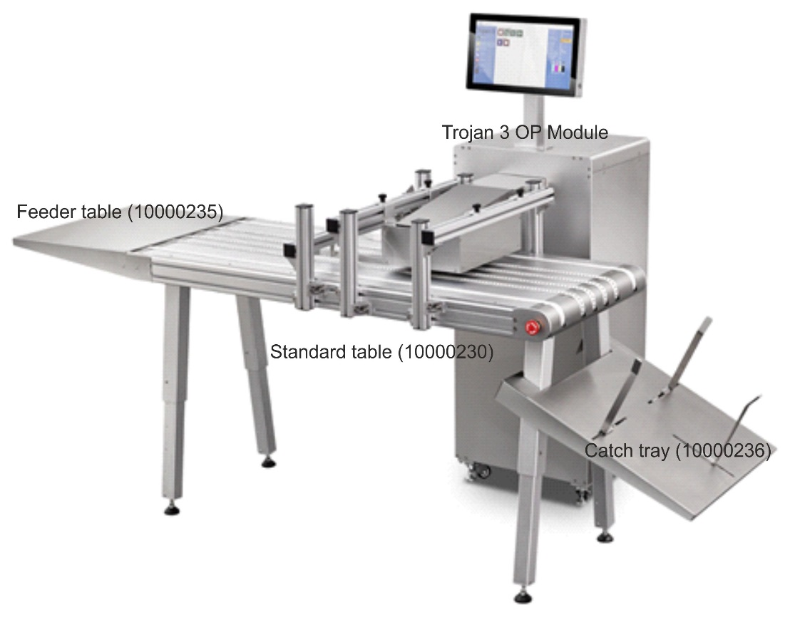
Options
Part No. | Description | List price | Discount | Price
T-10000230 | T3 Standard Table 600x1500, incl. OP bracket, media guides (1 set) | 11,950.00 € | 10% | 10,755.00 €
T-10000231 | T3 Wide table 1000x2000, incl. OP bracket, media guides (1 set) | 14,340.00 € | 10% | 12,906.00 €
T-ATT3A001 | T3 Height Adjustable Floating Bracket | 1,139.50 € | 10% | 1,025.55 €
T-10000232 | T3 Exhaust Unit (Head only), including bracket for standard table (600, p/n 10000230), including power trigger cable to external vacuum unit | 360,00 € | 10% | 324.00 €
T-10000256 | T3 Exhaust Unit (Head only), including bracket for wide table (1000, p/n 10000231), including power trigger cable to external vacuum unit | 390,00 € | 10% | 351.00 €
T-10000233 | Standard Extension Table (In-feed) for Standard table 10000230 | 500,00 € | 10% | 450.00 €
T-10000234 | Standard Catch Tray (Out-feed) for Standard table 10000230 | 600,00 € | 10% | 540.00 €
T-10000235 | Wide Extension Table (In-feed) for Wide table 10000231 | 650,00 € | 10% | 585.00 €
T-10000236 | Wide Catch Tray (Out-feed) for Wide table 10000231 | 750,00 € | 10% | 675.00 €
T-10000239 | Media Guide set, including bracket for standard table (600, p/n 10000230) (1 pair) | 350,00 € | 10% | 315.00 €
T-10000247 | Media Guide set, including bracket for wide table (1000, p/n 10000231) (1 pair) | 370,00 € | 10% | 333.00 €
T-10000240 | Spring Guide set (2 pcs) for Standard Table 10000230 | 350,00 € | 10% | 315.00 €
T-10000241 | Spring Guide set (3 pcs) for Wide Table 10000231 | 420,00 € | 10% | 378.00 €
T-10000242 | Roller Guide set (2 pcs) for Standard Table 10000230 | 400,00 € | 10% | 360.00 €
T-10000243 | Roller Guide set (2 pcs) for Wide Table 10000231 | 480,00 € | 10% | 432.00 €
T-10000254 | Long blade set including bracket for standard table 10000230 | 215,00 € | 10% | 193.50 €
T-10000255 | Long blade set including bracket for standard table 10000231 | 235,00 € | 10% | 211.50 €
T-10000248 | T3 OP Bracket for STD Table | 307,45 € | 10% | 276.71 €
T-10000249 | T3 OP Bracket for wide Table | 322,50 € | 10% | 290.25 €
T-10000210-115 | HSA S-Mail table (1 x 0.6 mtr) - 115V | 12,750.00 € | 10% | 11,475.00 €
T-10000210-230 | HSA S-Mail table (1 x 0.6 mtr)- 230V | 12,750.00 € | 10% | 11,475.00 €
T-10000211-115 | HSA M-Mail table (1.5 x 0.6 mtr) | 14,500.00 € | 10% | 13,050.00 €
T-10000212-230 | HSA M-Mail table (1.5 x 0.6 mtr) | 14,500.00 € | 10% | 13,050.00 €
T-10000212a | HSA Feeder table - Ext for mail tables 550mm | 470,00 € | 10% | 423.00 €
T-10000213 | HSA Support for extension table | 235,00 € | 10% | 211.50 €
T-10000214 | T3 OP Bracket for HSA Mail table | 550,00 € | 10% | 495.00 €
T-10000215 | T3 Photoelectric Sensor W4-3 USD | 550,00 € | 10% | 495.00 €
T-10000216 | T3 Holder for Sick sensor | 19,00 € | 10% | 17.10 €
T-10000217 | T3 Photoelectric Sensor with fibre cable | 550,00 € | 10% | 495.00 €
T-17450009 | Friction feeder V1000 | 7,050.00 € | 10% | 6,345.00 €
T-18050015 | Friction feeder V2000 | 14,500.00 € | 10% | 13,050.00 €
T-10000251 | Cleaner Blade - Exit blade | 14.45 € | 10% | 13.00 €
T-10000252 | Double Bended Blade - Teflon Coated entry blade | 18.06 € | 10% | 16.25 €
T-10000253 | Extended Bended Blade - Teflon Coated entry blade | 18.06 € | 10% | 16.25 €
T-10000218 | Blade Adjust Tool set | 7.23 € | 10% | 6.51 €
Consumables
Part No. | Description | List price | Discount | Price
T-20010005 | Printhead Guthega CPG | 393,50 € | 10% | 354.15 €
T-30010020 | 2L Ink Tank Trojan VP Guthega Cyan | 997,50 € | 10% | 897.75 €
T-30010018 | 2L Ink Tank Trojan VP Guthega Magenta | 997,50 € | 10% | 897.75 €
T-30010019 | 2L Ink Tank Trojan VP Guthega Yellow | 997,50 € | 10% | 897.75 €
T-30010021 | 2L Ink Tank Trojan VP Guthega Black | 997,50 € | 10% | 897.75 €

T-20010006 | Printhead Trojan Niagara LL2X | 495.00 € | 10% | 445.50 €
T-30010031 | Trojan 2L Bottle Niagara ink Cyan | 997.50 € | 10% | 897.75 €
T-30010032 | Trojan 2L Bottle Niagara ink Magenta | 997.50 € | 10% | 897.75 €
T-30010033 | Trojan 2L Bottle Niagara ink Yellow | 997.50 € | 10% | 897.75 €
T-30010034 | Trojan 2L Bottle Niagara ink Black (K) | 997.50 € | 10% | 897.75 €
Software
Part No. | Description | List price | Discount | Price
T-40010001 | TrojanRIP | 3,650.00 € | 10% | 3,285.00 €
T-40010002 | TrojanVariegator | 2,150.00 € | 10% | 1,935.00 €

Installation
Part No. | Description | List price in EUR | Discount | Price
T-Inst-T3 | 2 day Installation and Training | 1,500.00 € | 0% | 1,500.00 €
Travel-exp | Travelcost will be charged seperately, based on expenses

Upgrade prices Trojan 3 to Trojan3 Volume Press *
Part No. | Description | List price in EUR | Discount | Price
T-40010054 | Trojan3 Upgrade to Trojan3 Volume | 15,000.00 € | 20% | 12,000.00 €
*Upgrade will require a replacement of the MPCA. This is done by the distributor or service company. The “old” MPCA is returned to Trojanlabel or purchased as a spare.

